Sheet1
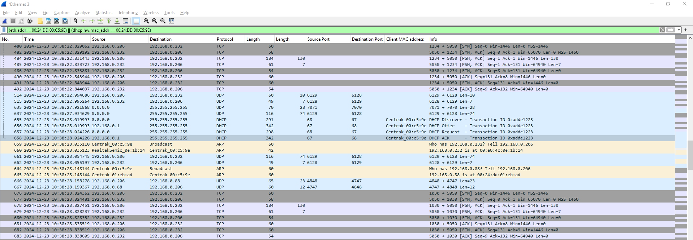

 | Rest command send for star
 | 7071 port is a broadcast port
 | 6129 is a debub messag

 | here a 206 ip is a dhcp ip given by dhcp serevr

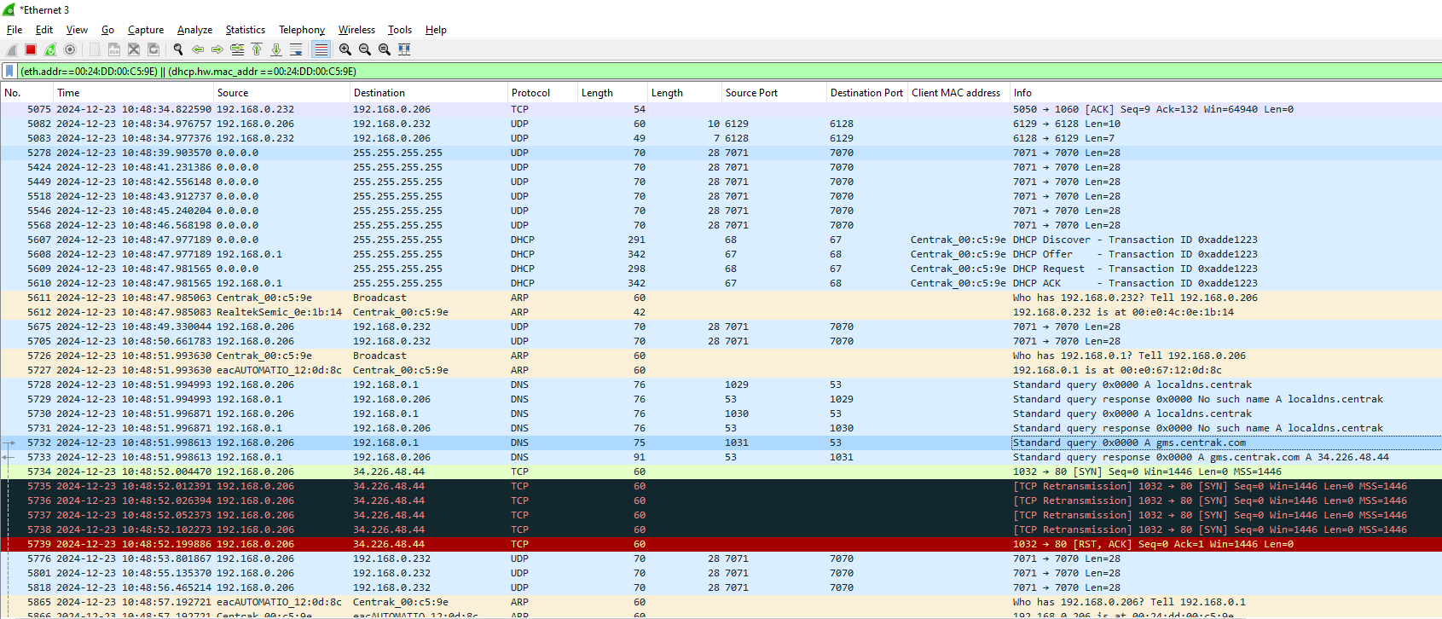
Server discovery process for star

first 6 attempt is broadcast discovery

DHCP process

Unicast process - only 3 attempt(first attempt only show the 2attempt anohter one is hide inside the ARP packet )

Local dns

Global dns

Unicast

